Sheet1
 |  | Document No. | Issue No. | Issue Date |  | Review and Replace Date |  | Authorised By
 |  | GFF005MC | 2 | 28.09.2018 |  | 11.09.2020
 |  | Document Title | Red Thai Vegetable Curry & Jasmine Rice 400g
Document amendments reason for change |  | Tray has been changed to evolve | Page 1 of 1 |  | Previous Issue Date |  | 28.09.2018 | Uncontrolled copy unless signed original

CVTHCR-R4TEB | BOOTHS |  | RED THAI VEGETABLE CURRY & JASMINE RICE 400G
STEP 1 |  |  |  |  | STEP 2
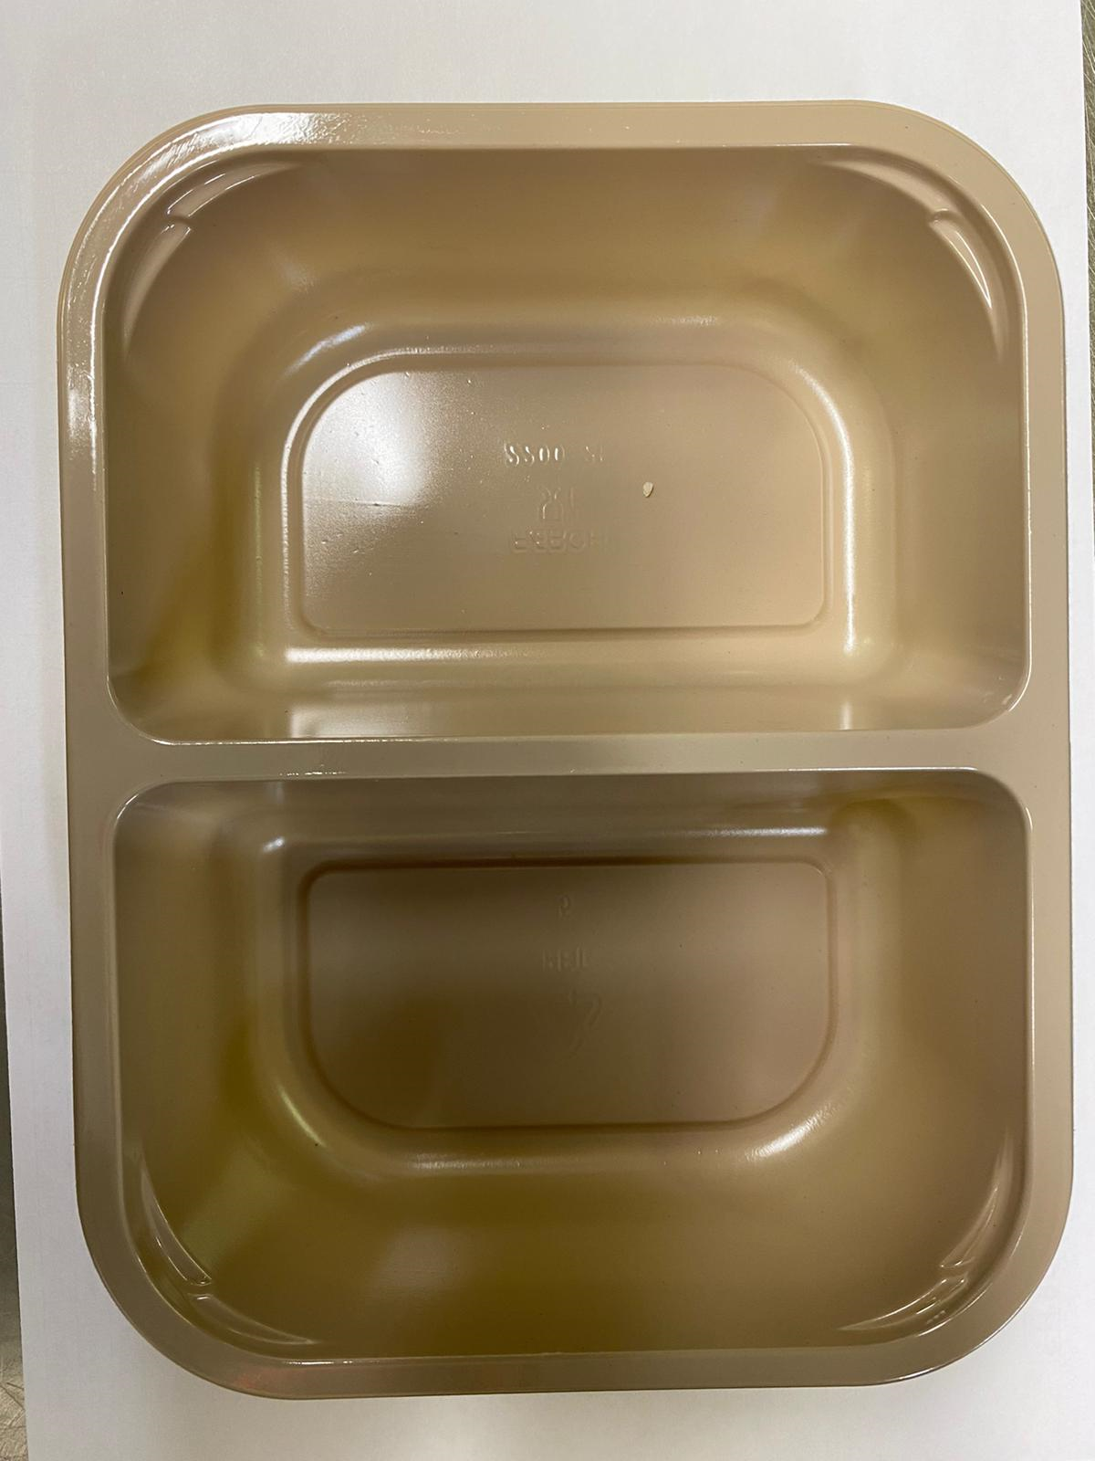 |  |  |  |  | 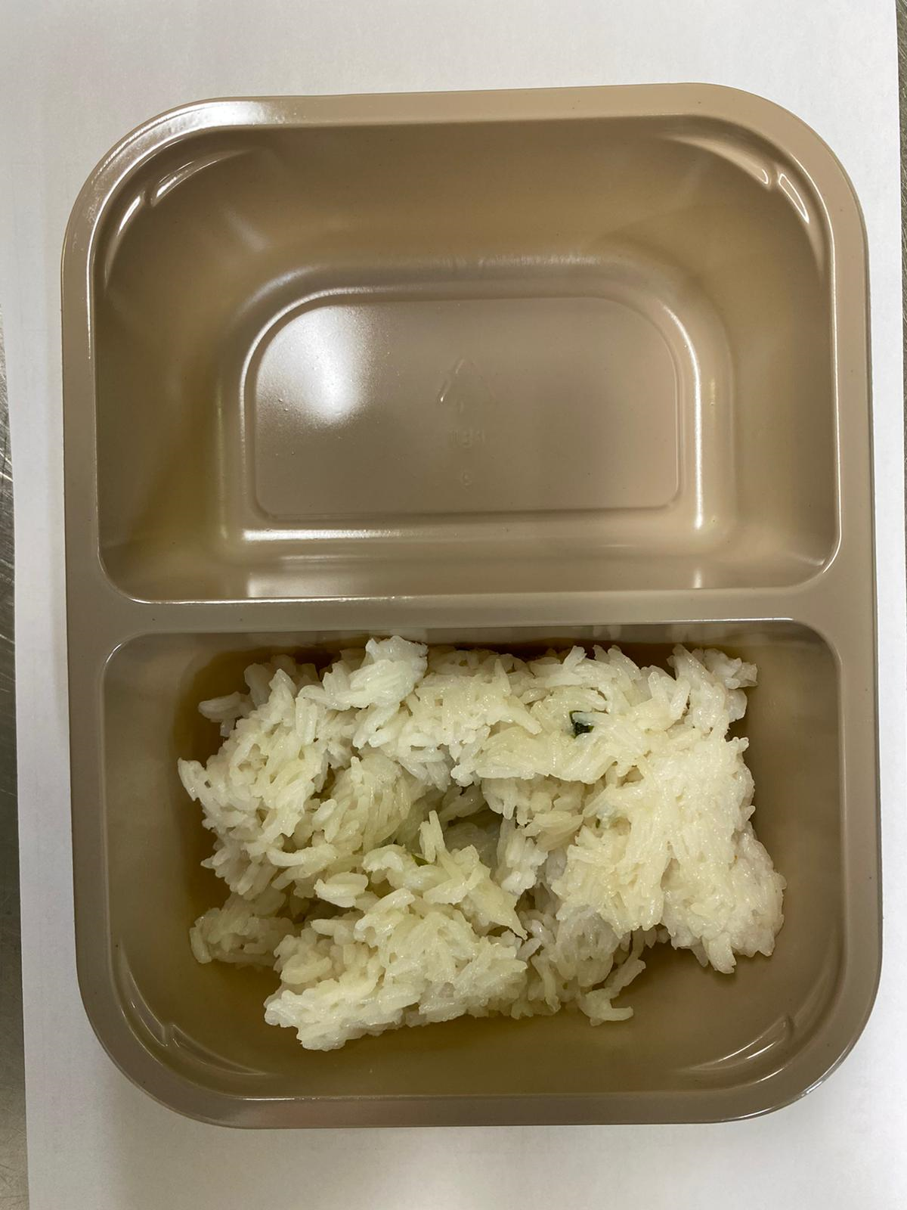

Tray: EVOLVE CPET 2200-2F (PKRHP001-10) |  |  |  |  | JASMINE RICE (GFF162R): 160g
Line 1: Mylar 250LAF 250mm x 1000 (PKWRA001-08)
Line 1: K-Peel 75G + AF 25 250mm (PKKMP001-01)
Line 2: Mylar 25OLAF - 380mm wide (PKWRA001-02)
STEP 3
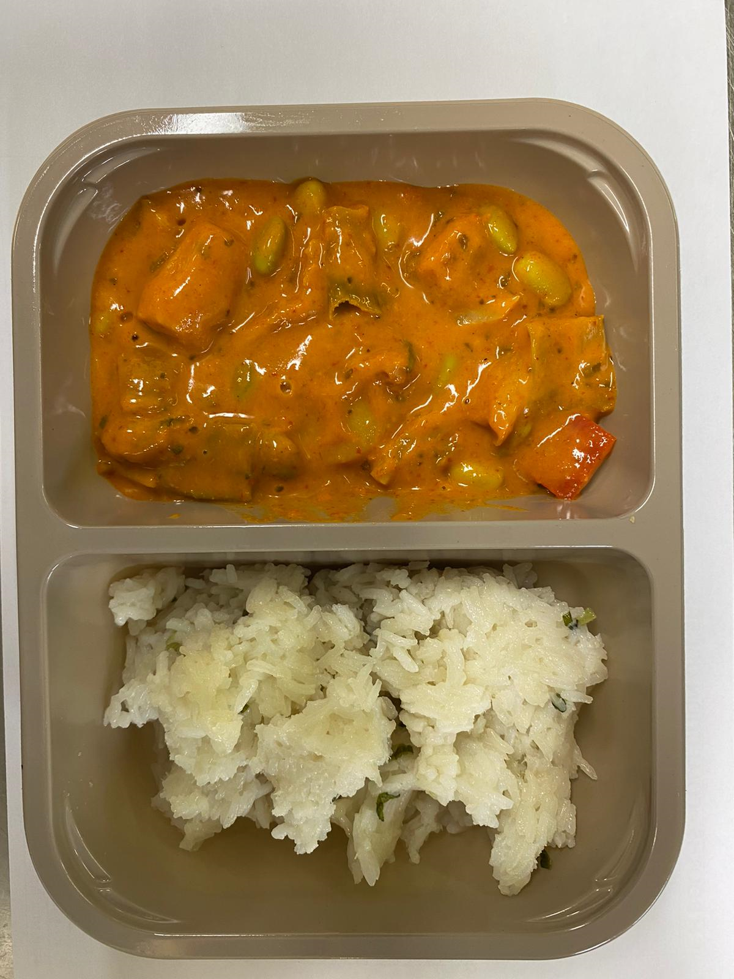

RED THAI VEGETABLE CURRY SAUCE (GFF210R): 240g |  |  |  |  | TOTAL WEIGHT: 400g

ALLERGY ALERT: SOYA, SESAME

